Sheet2
323744, IR = 0.83, 승률 = 81.9%
Refresh | Last Update : 2017-09-04 10:36:16
0
Time Series (Sector)
Frequency | M | Ascending | 0
Period(From) | 20071228 | Korean | 0
Period(To) | CPD [20170904] |  | 0
 |  |  |  |  |  |  | 2008-12-30 | 2009-01-30 | 2009-02-27 | 2009-03-31 | 2009-04-30 | 2009-05-29 | 2009-06-30 | 2009-07-31 | 2009-08-31 | 2009-09-30 | 2009-10-30 | 2009-11-30 | 2009-12-30 | 2010-01-29 | 2010-02-26 | 2010-03-31 | 2010-04-30 | 2010-05-31 | 2010-06-30 | 2010-07-30 | 2010-08-31 | 2010-09-30 | 2010-10-29 | 2010-11-30 | 2010-12-30 | 2011-01-31 | 2011-02-28 | 2011-03-31 | 2011-04-29 | 2011-05-31 | 2011-06-30 | 2011-07-29 | 2011-08-31 | 2011-09-30 | 2011-10-31 | 2011-11-30 | 2011-12-29 | 2012-01-31 | 2012-02-29 | 2012-03-30 | 2012-04-30 | 2012-05-31 | 2012-06-29 | 2012-07-31 | 2012-08-31 | 2012-09-28 | 2012-10-31 | 2012-11-30 | 2012-12-28 | 2013-01-31 | 2013-02-28 | 2013-03-29 | 2013-04-30 | 2013-05-31 | 2013-06-28 | 2013-07-31 | 2013-08-30 | 2013-09-30 | 2013-10-31 | 2013-11-29 | 2013-12-30 | 2014-01-29 | 2014-02-28 | 2014-03-31 | 2014-04-30 | 2014-05-30 | 2014-06-30 | 2014-07-31 | 2014-08-29 | 2014-09-30 | 2014-10-31 | 2014-11-28 | 2014-12-30 | 2015-01-30 | 2015-02-27 | 2015-03-31 | 2015-04-30 | 2015-05-29 | 2015-06-30 | 2015-07-31 | 2015-08-31 | 2015-09-30 | 2015-10-30 | 2015-11-30 | 2015-12-30 | 2016-01-29 | 2016-02-29 | 2016-03-31 | 2016-04-29 | 2016-05-31 | 2016-06-30 | 2016-07-29 | 2016-08-31 | 2016-09-30 | 2016-10-31 | 2016-11-30 | 2016-12-29 | 2017-01-31 | 2017-02-28 | 2017-03-31 | 2017-04-28 | 2017-05-31 | 2017-06-30 | 2017-07-31 | 2017-08-31
Code | Name | Item Code | Unit | Base Date |  | 2007-12-28 | 2008-01-31 | 2008-02-29 | 2008-03-31 | 2008-04-30 | 2008-05-30 | 2008-06-30 | 2008-07-31 | 2008-08-29 | 2008-09-30 | 2008-10-31 | 2008-11-28 | 2008-12-30 | 2009-01-30 | 2009-02-27 | 2009-03-31 | 2009-04-30 | 2009-05-29 | 2009-06-30 | 2009-07-31 | 2009-08-31 | 2009-09-30 | 2009-10-30 | 2009-11-30 | 2009-12-30 | 2010-01-29 | 2010-02-26 | 2010-03-31 | 2010-04-30 | 2010-05-31 | 2010-06-30 | 2010-07-30 | 2010-08-31 | 2010-09-30 | 2010-10-29 | 2010-11-30 | 2010-12-30 | 2011-01-31 | 2011-02-28 | 2011-03-31 | 2011-04-29 | 2011-05-31 | 2011-06-30 | 2011-07-29 | 2011-08-31 | 2011-09-30 | 2011-10-31 | 2011-11-30 | 2011-12-29 | 2012-01-31 | 2012-02-29 | 2012-03-30 | 2012-04-30 | 2012-05-31 | 2012-06-29 | 2012-07-31 | 2012-08-31 | 2012-09-28 | 2012-10-31 | 2012-11-30 | 2012-12-28 | 2013-01-31 | 2013-02-28 | 2013-03-29 | 2013-04-30 | 2013-05-31 | 2013-06-28 | 2013-07-31 | 2013-08-30 | 2013-09-30 | 2013-10-31 | 2013-11-29 | 2013-12-30 | 2014-01-29 | 2014-02-28 | 2014-03-31 | 2014-04-30 | 2014-05-30 | 2014-06-30 | 2014-07-31 | 2014-08-29 | 2014-09-30 | 2014-10-31 | 2014-11-28 | 2014-12-30 | 2015-01-30 | 2015-02-27 | 2015-03-31 | 2015-04-30 | 2015-05-29 | 2015-06-30 | 2015-07-31 | 2015-08-31 | 2015-09-30 | 2015-10-30 | 2015-11-30 | 2015-12-30 | 2016-01-29 | 2016-02-29 | 2016-03-31 | 2016-04-29 | 2016-05-31 | 2016-06-30 | 2016-07-29 | 2016-08-31 | 2016-09-30 | 2016-10-31 | 2016-11-30 | 2016-12-29 | 2017-01-31 | 2017-02-28 | 2017-03-31 | 2017-04-28 | 2017-05-31 | 2017-06-30 | 2017-07-31 | 2017-08-31 | 2017-09-01
IKS001 | KOSPI | I100100 | P |  | 종가지수 | 1,897.13 | 1,624.68 | 1,711.62 | 1,703.99 | 1,825.47 | 1,852.02 | 1,674.92 | 1,594.67 | 1,474.24 | 1,448.06 | 1,113.06 | 1,076.07 | 1,124.47 | 1,162.11 | 1,063.03 | 1,206.26 | 1,369.36 | 1,395.89 | 1,390.07 | 1,557.29 | 1,591.85 | 1,673.14 | 1,580.69 | 1,555.60 | 1,682.77 | 1,602.43 | 1,594.58 | 1,692.85 | 1,741.56 | 1,641.25 | 1,698.29 | 1,759.33 | 1,742.75 | 1,872.81 | 1,882.95 | 1,904.63 | 2,051.00 | 2,069.73 | 1,939.30 | 2,106.70 | 2,192.36 | 2,142.47 | 2,100.69 | 2,133.21 | 1,880.11 | 1,769.65 | 1,909.03 | 1,847.51 | 1,825.74 | 1,955.79 | 2,030.25 | 2,014.04 | 1,981.99 | 1,843.47 | 1,854.01 | 1,882 | 1,905.12 | 1,996.21 | 1,912.06 | 1,932.90 | 1,997.05 | 1,961.94 | 2,026.49 | 2,004.89 | 1,963.95 | 2,001.05 | 1,863.32 | 1,914.03 | 1,926.36 | 1,996.96 | 2,030.09 | 2,044.87 | 2,011.34 | 1,941.15 | 1,979.99 | 1,985.61 | 1,961.79 | 1,994.96 | 2,002.21 | 2,076.12 | 2,068.54 | 2,020.09 | 1,964.43 | 1,980.78 | 1,915.59 | 1,949.26 | 1,985.80 | 2,041.03 | 2,127.17 | 2,114.80 | 2,074.20 | 2,030.16 | 1,941.49 | 1,962.81 | 2,029.47 | 1,991.97 | 1,961.31 | 1,912.06 | 1,916.66 | 1,995.85 | 1,994.15 | 1,983.40 | 1,970.35 | 2,016.19 | 2,034.65 | 2,043.63 | 2,008.19 | 1,983.48 | 2,026.46 | 2,067.57 | 2,091.64 | 2,160.23 | 2,205.44 | 2,347.38 | 2,391.79 | 2,402.71 | 2,363.19 | 2,357.69
 |  |  |  |  |  | 코스피 | 0.85638833396 | 1.0535120762 | 0.99554223484 | 1.0712914982 | 1.0145441996 | 0.90437468278 | 0.95208726387 | 0.92447967291 | 0.98224169742 | 0.76865599492 | 0.96676729017 | 1.0449784865 | 1.0334735475 | 0.91474128955 | 1.1347374956 | 1.1352113143 | 1.0193740141 | 0.99583061703 | 1.1202961002 | 1.0221923983 | 1.0510663693 | 0.94474461193 | 0.98412718496 | 1.0817498071 | 0.95225729006 | 0.99510119007 | 1.0616275132 | 1.0287739611 | 0.94240221411 | 1.0347539985 | 1.0359420358 | 0.99057595789 | 1.074629178 | 1.0054143239 | 1.011513848 | 1.0768495718 | 1.0091321307 | 0.93698211844 | 1.0863198061 | 1.040660749 | 0.97724370085 | 0.98049914351 | 1.0154806278 | 0.88135251569 | 0.94124811846 | 1.078761337 | 0.96777420994 | 0.98821657258 | 1.0712313911 | 1.0380715721 | 0.99201576161 | 0.98408671129 | 0.93011064637 | 1.0057174785 | 1.0150916122 | 1.0122901822 | 1.0478132611 | 0.9578451165 | 1.0108992396 | 1.0331884733 | 0.98241906813 | 1.0329011081 | 0.98934117612 | 0.97957992708 | 1.0188905013 | 0.93117113515 | 1.0272148638 | 1.0064419053 | 1.0366494321 | 1.0165902171 | 1.0072804654 | 0.98360286962 | 0.96510286675 | 1.0200087577 | 1.0028383982 | 0.98800368652 | 1.0169080279 | 1.0036341581 | 1.0369142098 | 0.99634895863 | 0.97657768281 | 0.97244677217 | 1.008323025 | 0.96708872262 | 1.0175768301 | 1.0187455752 | 1.0278124685 | 1.0422041812 | 0.99418476191 | 0.98080196709 | 0.97876771767 | 0.95632363952 | 1.0109812567 | 1.0339615144 | 0.98152226936 | 0.98460820193 | 0.9748892322 | 1.0024057822 | 1.0413166654 | 0.99914823258 | 0.994609232 | 0.99342038923 | 1.0232649022 | 1.0091558831 | 1.0044135355 | 0.98265830899 | 0.98769538739 | 1.0216689858 | 1.0202866082 | 1.0116416857 | 1.0327924499 | 1.0209283271 | 1.0643590395 | 1.018918965 | 1.0045656182 | 0.98355190597 | 0.99767263741
 |  |  |  |  |  | 코스피12누적 | 0.59272163742 | 0.7152854716 | 0.62106659188 | 0.70790321539 | 0.75014105956 | 0.75371216294 | 0.82993217587 | 0.97655941355 | 1.0797766985 | 1.1554355483 | 1.4201300918 | 1.4456308604 | 1.4965005736 | 1.3788970063 | 1.5000329248 | 1.4033873294 | 1.2718058071 | 1.1757731626 | 1.2217298409 | 1.1297381991 | 1.0947953639 | 1.1193384893 | 1.1912202899 | 1.224370018 | 1.2188237252 | 1.2916196027 | 1.2161823176 | 1.2444693859 | 1.2588483888 | 1.3053891851 | 1.2369442204 | 1.2125127179 | 1.0788179601 | 0.94491699639 | 1.0138506068 | 0.97000992319 | 0.89017064846 | 0.94494934122 | 1.0468983654 | 0.95601651873 | 0.90404404386 | 0.86044145309 | 0.88257191685 | 0.88223381664 | 1.0133024132 | 1.1280253157 | 1.0015871935 | 1.046218965 | 1.0938304468 | 1.0031445094 | 0.99814801133 | 0.99545689261 | 0.99089803682 | 1.0854801 | 1.0050215479 | 1.0170245325 | 1.011148904 | 1.000375712 | 1.0617292344 | 1.0579285012 | 1.0071555544 | 0.98940334567 | 0.97705392082 | 0.99038351231 | 0.99890017567 | 0.99695659779 | 1.0745389949 | 1.084685193 | 1.0738075957 | 1.0115826056 | 0.96765660636 | 0.96865815431 | 0.9523949208 | 1.0041779358 | 1.0029343583 | 1.0279108183 | 1.0843005622 | 1.0600713799 | 1.0359552694 | 0.9778625513 | 0.93857986793 | 0.97164482771 | 1.0331088407 | 1.0056492897 | 1.0238673203 | 0.98091583473 | 0.96518279786 | 0.97786411763 | 0.93746621098 | 0.93786646491 | 0.9499325041 | 0.99311876896 | 1.047983765 | 1.0411756614 | 0.98951450379 | 0.99573788762 | 1.0332175944 | 1.0813311298 | 1.0912942306 | 1.0823608989 | 1.1059549181 | 1.1835131592 | 1.2138909331 | 1.1917081227 | 1.1614724891
 |  |  |  |  |  | 25p | 0.90636891463 | 1.0458572024 | 0.96228938437 | 1.0531510765 | 1.0621642272 | 0.96236267044 | 0.94002114518 | 0.91963179249 | 0.96054948086 | 0.74338054202 | 1.0064360375 | 1.0311234388 | 0.9871513755 | 0.95707546062 | 1.1459762333 | 1.1372862592 | 0.99870546628 | 1.0083177764 | 1.0538601693 | 1.0345434225 | 1.0003341937 | 0.96191040159 | 0.98784557597 | 1.0852920732 | 0.93804614414 | 1.0048591472 | 1.0416606027 | 1.0401630232 | 0.94622351189 | 1.0503098693 | 1.0079967458 | 0.98438332134 | 1.0793979091 | 1.0693277422 | 1.0211446405 | 1.0534522407 | 1.0066257579 | 0.9325417201 | 1.0458514207 | 1.0172033026 | 0.9770737627 | 1.0081373838 | 1.0840081086 | 0.92270495716 | 0.93970601025 | 1.0599358682 | 1.0093066777 | 1.0191887979 | 1.0279520193 | 1.0600323472 | 0.97568600943 | 0.99005176169 | 0.93705187873 | 1.0411601311 | 1.0293894702 | 1.0526146191 | 1.0785490639 | 1.0552651037 | 1.0443419696 | 1.02061649 | 1.035173863 | 1.0622608892 | 1.0590532026 | 1.0842210719 | 0.99405115366 | 0.91510115418 | 1.0369851232 | 0.97698156297 | 1.0272982676 | 1.0190174452 | 1.0168439623 | 0.97874255022 | 1.0007478461 | 1.0422737905 | 1.017135545 | 1.0163781205 | 1.0217941682 | 0.99957573404 | 1.0345390002 | 1.0543054985 | 1.0235389988 | 0.99424821118 | 0.99361054449 | 1.0054998804 | 1.0433753306 | 1.047337023 | 1.0630176198 | 1.1055714043 | 1.0672262369 | 1.0186004578 | 0.98046197151 | 0.92196550633 | 1.0215157024 | 1.0358097416 | 0.97069273965 | 1.0083115282 | 0.99710930233 | 0.98466181571 | 1.0590377075 | 1.0070712352 | 1.0085298743 | 0.99796510822 | 1.033779977 | 0.9861709543 | 0.98999897646 | 0.97629470102 | 1.0130153154 | 1.0115897874 | 1.028731795 | 1.0135991174 | 1.0132650287 | 1.0359927112 | 1.0344504593 | 1.0431778629 | 1.0156800718 | 0.98585343252
 |  |  |  |  |  | 누적 | 0.6290476913 | 0.68511318482 | 0.62695463152 | 0.74663102259 | 0.80627862573 | 0.75810769208 | 0.79430913714 | 0.89050205524 | 1.0017738093 | 1.0432659804 | 1.349952469 | 1.325016717 | 1.3946246256 | 1.3252498908 | 1.3914153376 | 1.2647579392 | 1.156748735 | 1.0959616096 | 1.1416036907 | 1.0919217167 | 1.0389796143 | 1.1210977595 | 1.2462916857 | 1.2883026522 | 1.2505069825 | 1.3419302952 | 1.2453546243 | 1.2503649458 | 1.2227653974 | 1.2626318969 | 1.2119341676 | 1.3033241131 | 1.2216619216 | 1.0635587123 | 1.0542175075 | 1.0419961363 | 1.0081053023 | 1.0294629092 | 1.170203928 | 1.0916957974 | 1.0625558772 | 1.0190325634 | 1.0524121954 | 0.999385543 | 1.1400912334 | 1.3085415217 | 1.3027752396 | 1.3479974816 | 1.3498857729 | 1.3593693517 | 1.3622272001 | 1.4786222873 | 1.619262248 | 1.7177592215 | 1.5097806756 | 1.5209210366 | 1.411638965 | 1.3445603095 | 1.298375552 | 1.2641887229 | 1.2123214809 | 1.1720041957 | 1.1499522085 | 1.1044367397 | 1.0353288335 | 1.0642238685 | 1.1624642256 | 1.1597221125 | 1.2515091853 | 1.2469294449 | 1.216620359 | 1.1888223387 | 1.2213229303 | 1.2733459495 | 1.2795317009 | 1.3372502317 | 1.4546019703 | 1.519277987 | 1.5481940992 | 1.4672674867 | 1.283091109 | 1.280554739 | 1.3340844453 | 1.3033135491 | 1.306957964 | 1.2490039829 | 1.1742605318 | 1.1698641288 | 1.0656358409 | 1.0070269485 | 0.98662606121 | 1.040279273 | 1.1127240621 | 1.0783932934 | 1.0164315083 | 1.0607483118 | 1.0641970553 | 1.0979471803 | 1.1302137192 | 1.0813647413 | 1.112419808 | 1.1410105052 | 1.1927039239 | 1.1718215035 | 1.171444207
 |  |  |  |  |  | 차이 | 4% | -3% | 1% | 4% | 6% | 0% | -4% | -9% | -8% | -11% | -7% | -12% | -10% | -5% | -11% | -14% | -12% | -8% | -8% | -4% | -6% | 0% | 6% | 6% | 3% | 5% | 3% | 1% | -4% | -4% | -3% | 9% | 14% | 12% | 4% | 7% | 12% | 8% | 12% | 14% | 16% | 16% | 17% | 12% | 13% | 18% | 30% | 30% | 26% | 36% | 36% | 48% | 63% | 63% | 50% | 50% | 40% | 34% | 24% | 21% | 21% | 18% | 17% | 11% | 4% | 7% | 9% | 8% | 18% | 24% | 25% | 22% | 27% | 27% | 28% | 31% | 37% | 46% | 51% | 49% | 34% | 31% | 30% | 30% | 28% | 27% | 21% | 19% | 13% | 7% | 4% | 5% | 6% | 4% | 3% | 7% | 3% | 2% | 4% | 0% | 1% | -4% | -2% | -2% | 1%
 |  |  |  |  |  |  | 78.1%

 |  |  |  |  |  | 0 | 1900-01-01 | 1900-01-02 | 1900-01-03 | 1900-01-04 | 1900-01-05 | 1900-01-06 | 1900-01-07 | 1900-01-08 | 1900-01-09 | 1900-01-10 | 1900-01-11 | 1900-01-12 | 1900-01-13 | 1900-01-14 | 1900-01-15 | 1900-01-16 | 1900-01-17 | 1900-01-18 | 1900-01-19 | 1900-01-20 | 1900-01-21 | 1900-01-22 | 1900-01-23 | 1900-01-24 | 1900-01-25 | 1900-01-26 | 1900-01-27 | 1900-01-28 | 1900-01-29 | 1900-01-30 | 1900-01-31 | 1900-02-01 | 1900-02-02 | 1900-02-03 | 1900-02-04 | 1900-02-05 | 1900-02-06 | 1900-02-07 | 1900-02-08 | 1900-02-09 | 1900-02-10 | 1900-02-11 | 1900-02-12 | 1900-02-13 | 1900-02-14 | 1900-02-15 | 1900-02-16 | 1900-02-17 | 1900-02-18 | 1900-02-19 | 1900-02-20 | 1900-02-21 | 1900-02-22 | 1900-02-23 | 1900-02-24 | 1900-02-25 | 1900-02-26 | 1900-02-27 | 1900-02-28 | 1900-02-28 | 1900-03-01 | 1900-03-02 | 1900-03-03 | 1900-03-04 | 1900-03-05 | 1900-03-06 | 1900-03-07 | 1900-03-08 | 1900-03-09 | 1900-03-10 | 1900-03-11 | 1900-03-12 | 1900-03-13 | 1900-03-14 | 1900-03-15 | 1900-03-16 | 1900-03-17 | 1900-03-18 | 1900-03-19 | 1900-03-20 | 1900-03-21 | 1900-03-22 | 1900-03-23 | 1900-03-24 | 1900-03-25 | 1900-03-26 | 1900-03-27 | 1900-03-28 | 1900-03-29 | 1900-03-30 | 1900-03-31 | 1900-04-01 | 1900-04-02 | 1900-04-03 | 1900-04-04 | 1900-04-05 | 1900-04-06 | 1900-04-07 | 1900-04-08 | 1900-04-09 | 1900-04-10 | 1900-04-11 | 1900-04-12 | 1900-04-13 | 1900-04-14 | 1900-04-15 | 1900-04-16 | 1900-04-17 | 1900-04-18 | 1900-04-19 | 1900-04-20 | 1900-04-21 | 1900-04-22 | 1900-04-23 | 1900-04-24 | 1900-04-25 | 1900-04-26 | 1900-04-27 | 1900-04-28 | 1900-04-29 | 1900-04-30 | 1900-05-01 | 1900-05-02 | 1900-05-03 | 1900-05-04 | 1900-05-05 | 1900-05-06 | 1900-05-07 | 1900-05-08 | 1900-05-09 | 1900-05-10 | 1900-05-11 | 1900-05-12 | 1900-05-13 | 1900-05-14 | 1900-05-15 | 1900-05-16 | 1900-05-17 | 1900-05-18 | 1900-05-19 | 1900-05-20 | 1900-05-21 | 1900-05-22 | 1900-05-23 | 1900-05-24 | 1900-05-25 | 1900-05-26 | 1900-05-27 | 1900-05-28 | 1900-05-29 | 1900-05-30 | 1900-05-31 | 1900-06-01 | 1900-06-02 | 1900-06-03 | 1900-06-04 | 1900-06-05 | 1900-06-06 | 1900-06-07 | 1900-06-08 | 1900-06-09 | 1900-06-10 | 1900-06-11 | 1900-06-12 | 1900-06-13 | 1900-06-14 | 1900-06-15 | 1900-06-16 | 1900-06-17 | 1900-06-18 | 1900-06-19 | 1900-06-20 | 1900-06-21 | 1900-06-22 | 1900-06-23 | 1900-06-24 | 1900-06-25 | 1900-06-26 | 1900-06-27 | 1900-06-28 | 1900-06-29 | 1900-06-30 | 1900-07-01 | 1900-07-02 | 1900-07-03 | 1900-07-04 | 1900-07-05 | 1900-07-06 | 1900-07-07 | 1900-07-08 | 1900-07-09 | 1900-07-10 | 1900-07-11 | 1900-07-12 | 1900-07-13 | 1900-07-14 | 1900-07-15
 |  |  |  |  | 0 | 0.94419986319 | 1.050905688 | 1.1405403265 | 1.0402636061 | 0.89543265555 | 1.0079187362 | 0.90844362636 | 1.0969857805 | 1.2459149151 | 1.0660620358 | 1.1106633159 | 1.1067665615 | 1.1086530735 | 0.90722809211 | 0.90020166706 | 0.93807772555 | 0.98523749783 | 1.0337793735 | 0.87494873579 | 1.0435194154 | 1.1042783254 | 0.85201017179 | 0.94152481132 | 1.0001274944 | 0.93083777498 | 1.1333024867 | 1.1001273999 | 1.028585553 | 1.0476074504 | 1.1010272905 | 0.93627509147 | 1.1321262254 | 1.0307007401 | 1.025959587 | 1.024102664 | 1.0345992599 | 1.0197870048 | 1.0202811802 | 0.91201326762 | 0.97529475815 | 0.95306139298 | 1.0992235019 | 1.0424728286 | 1.044523244 | 1.0676356894 | 1.0059609209 | 1.0611432646 | 1.1562967796 | 0.97483347325 | 0.95469966301 | 1.0422410559 | 1.120464385 | 1.1062783677 | 0.9915660568 | 1.1594272875 | 1.0172415324 | 1.119301731 | 0.99630724063 | 1.0146883162 | 0.975511589 | 0.99777742961 | 1.0769219168 | 0.92424059473 | 0.9557080231 | 0.98795328632 | 1.0333051519 | 1.0285648384 | 1.0051013361 | 1.1202879048 | 0.97619680779 | 0.96151313038 | 1.0187623245 | 1.0751655396 | 1.1078113589 | 1.1824233617 | 1.0214904575 | 1.1437190951 | 0.95033347494 | 1.0427718734 | 0.99790344283 | 0.9225125162 | 1.0090284676 | 0.90636891463 | 1.0458572024 | 0.96228938437 | 1.0531510765 | 1.0621642272 | 0.96236267044 | 0.94002114518 | 0.91963179249 | 0.96054948086 | 0.74338054202 | 1.0064360375 | 1.0311234388 | 0.9871513755 | 0.95707546062 | 1.1459762333 | 1.1372862592 | 0.99870546628 | 1.0083177764 | 1.0538601693 | 1.0345434225 | 1.0003341937 | 0.96191040159 | 0.98784557597 | 1.0852920732 | 0.93804614414 | 1.0048591472 | 1.0416606027 | 1.0401630232 | 0.94622351189 | 1.0503098693 | 1.0079967458 | 0.98438332134 | 1.0793979091 | 1.0693277422 | 1.0211446405 | 1.0534522407 | 1.0066257579 | 0.9325417201 | 1.0458514207 | 1.0172033026 | 0.9770737627 | 1.0081373838 | 1.0840081086 | 0.92270495716 | 0.93970601025 | 1.0599358682 | 1.0093066777 | 1.0191887979 | 1.0279520193 | 1.0600323472 | 0.97568600943 | 0.99005176169 | 0.93705187873 | 1.0411601311 | 1.0293894702 | 1.0526146191 | 1.0785490639 | 1.0552651037 | 1.0443419696 | 1.02061649 | 1.035173863 | 1.0622608892 | 1.0590532026 | 1.0842210719 | 0.99405115366 | 0.91510115418 | 1.0369851232 | 0.97698156297 | 1.0272982676 | 1.0190174452 | 1.0168439623 | 0.97874255022 | 1.0007478461 | 1.0422737905 | 1.017135545 | 1.0163781205 | 1.0217941682 | 0.99957573404 | 1.0345390002 | 1.0543054985 | 1.0235389988 | 0.99424821118 | 0.99361054449 | 1.0054998804 | 1.0433753306 | 1.047337023 | 1.0630176198 | 1.1055714043 | 1.0672262369 | 1.0186004578 | 0.98046197151 | 0.92196550633 | 1.0215157024 | 1.0358097416 | 0.97069273965 | 1.0083115282 | 0.99710930233 | 0.98466181571 | 1.0590377075 | 1.0070712352 | 1.0085298743 | 0.99796510822 | 1.033779977 | 0.9861709543 | 0.98999897646 | 0.97629470102 | 1.0130153154 | 1.0115897874 | 1.028731795 | 1.0135991174 | 1.0132650287 | 1.0359927112 | 1.0344504593 | 1.0431778629 | 1.0156800718 | 0.98585343252

 |  |  |  |  |  | 2008-12-30 | 2009-01-30 | 2009-02-27 | 2009-03-31 | 2009-04-30 | 2009-05-29 | 2009-06-30 | 2009-07-31 | 2009-08-31 | 2009-09-30 | 2009-10-30 | 2009-11-30 | 2009-12-30 | 2010-01-29 | 2010-02-26 | 2010-03-31 | 2010-04-30 | 2010-05-31 | 2010-06-30 | 2010-07-30 | 2010-08-31 | 2010-09-30 | 2010-10-29 | 2010-11-30 | 2010-12-30 | 2011-01-31 | 2011-02-28 | 2011-03-31 | 2011-04-29 | 2011-05-31 | 2011-06-30 | 2011-07-29 | 2011-08-31 | 2011-09-30 | 2011-10-31 | 2011-11-30 | 2011-12-29 | 2012-01-31 | 2012-02-29 | 2012-03-30 | 2012-04-30 | 2012-05-31 | 2012-06-29 | 2012-07-31 | 2012-08-31 | 2012-09-28 | 2012-10-31 | 2012-11-30 | 2012-12-28 | 2013-01-31 | 2013-02-28 | 2013-03-29 | 2013-04-30 | 2013-05-31 | 2013-06-28 | 2013-07-31 | 2013-08-30 | 2013-09-30 | 2013-10-31 | 2013-11-29 | 2013-12-30 | 2014-01-29 | 2014-02-28 | 2014-03-31 | 2014-04-30 | 2014-05-30 | 2014-06-30 | 2014-07-31 | 2014-08-29 | 2014-09-30 | 2014-10-31 | 2014-11-28 | 2014-12-30 | 2015-01-30 | 2015-02-27 | 2015-03-31 | 2015-04-30 | 2015-05-29 | 2015-06-30 | 2015-07-31 | 2015-08-31 | 2015-09-30 | 2015-10-30 | 2015-11-30 | 2015-12-30 | 2016-01-29 | 2016-02-29 | 2016-03-31 | 2016-04-29 | 2016-05-31 | 2016-06-30 | 2016-07-29 | 2016-08-31 | 2016-09-30 | 2016-10-31 | 2016-11-30 | 2016-12-29 | 2017-01-31 | 2017-02-28 | 2017-03-31 | 2017-04-28 | 2017-05-31 | 2017-06-30 | 2017-07-31 | 2017-08-31

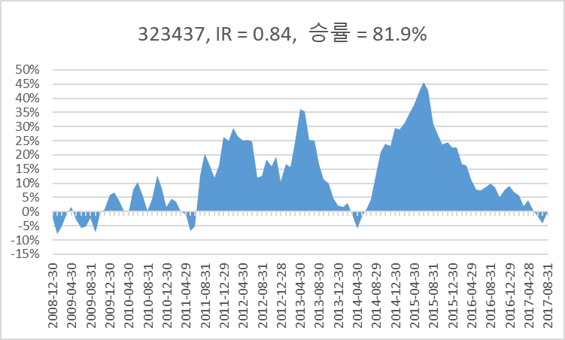
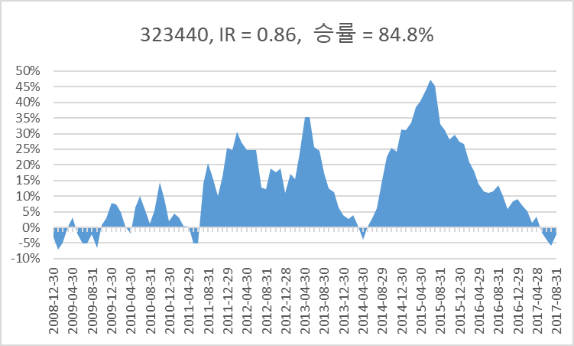
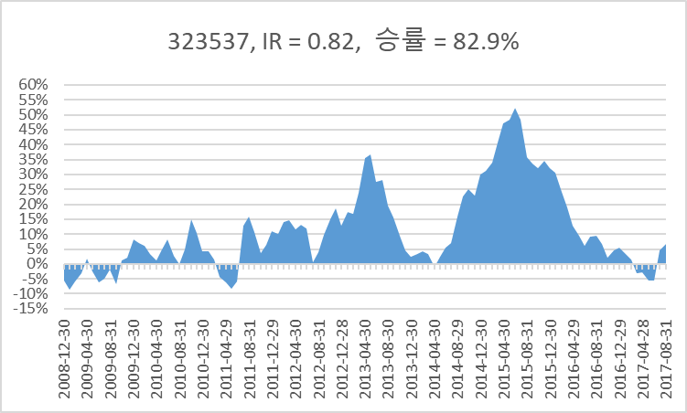

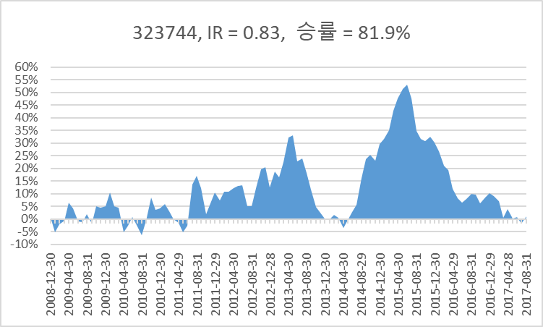

 |  |  |  |  |  | 17

